Overview
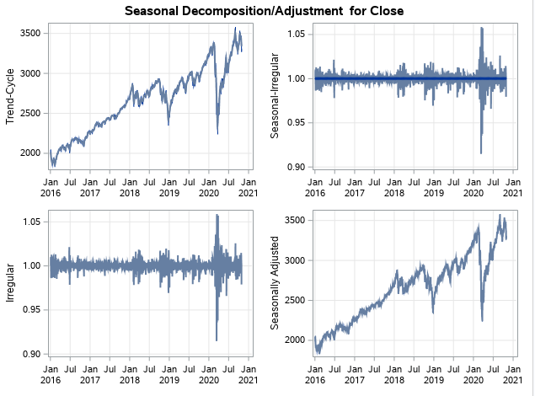
SAS Forecasting - Stock Price

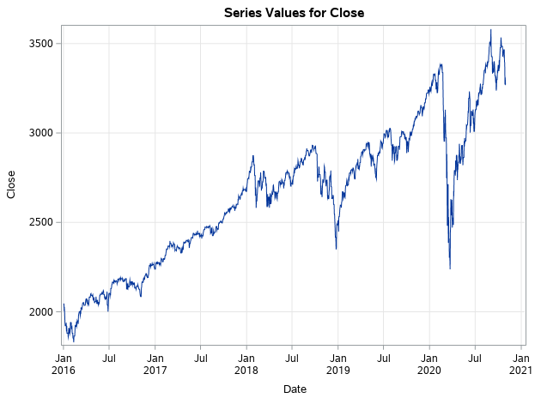
 | Context |  |  |  |  |  |  | Visualization | EDA | Modelling |  |  | SAS Available Models |  | SAS + Python
 | Stock price prediction is the task of forecasting the future value of a given stock. For our current use case, we will utilize the pandasdatareader library to get the required S&P 500 index history using Yahoo Finance databases. We utilize the closing price information from the dataset available though other information such as opening price, adjusted closing price. |  |  |  |  |  |  |  |  | Training Period | 5 years | Aug-15 to July -20
 |  |  |  |  |  |  |  |  | Inferences: | Forecasting Period | 3 Months | Aug-20 to Oct 20 | Exponential smoothing |  | Execute python script in SAS (Enterprise)
 |  |  |  |  |  |  |  |  | Data shows upward Trend |  |  |  | Winters smoothing, additive and multiplicative
 |  |  |  |  |  |  |  |  | Except Volume every variables are highly correlated to each other | Model | Accuracy (MAPE) | RMSE | Box-Jenkins ARIMA models, including seasonal ARIMA models |  | Prerequisites
 |  |  |  |  |  |  |  |  |  | ARIMAX (Multi-variate) | 98% | 30 | Time trend | linear | JAVA & Python installed
 |  |  |  |  |  |  |  |  |  | VAR (Multi-variate) | 95% | 186 |  | quadratic | Set JAVA Class
 |  |  |  |  |  |  |  |  |  | Holts Winter's | 96% | 151 |  | cubic | SAS execute .py using Run line commands
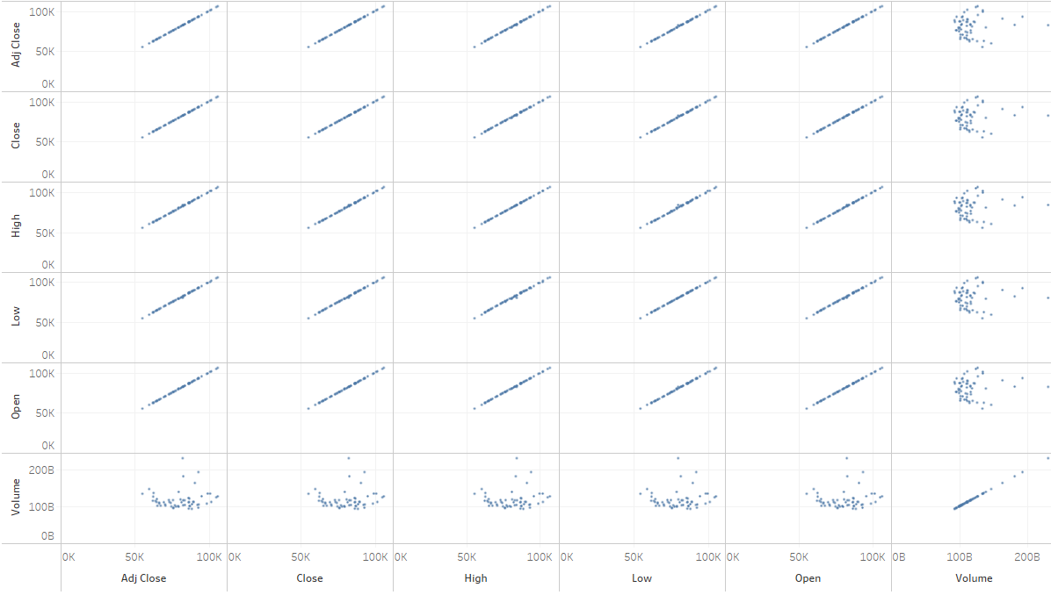
 |  |  |  |  |  |  |  |  |  | Random Walk | 95% | 112 |  | logistic | Add .py in SAS library
 | Data |  |  |  |  |  |  |  |  | ARIMA | 97% | 115 |  | logarithmic
 | Features | Date | Value |  |  |  |  |  |  | Moving Average | 0% | 17607 |  | exponential
 | Dimension | Rows: 1766 | Column:7 |  |  |  |  |  |  |  |  |  |  | hyperbolic
 | Period | Jan 16 to Oct 20 |  |  |  |  |  |  |  |  |  |  |  | power function
 |  |  |  |  |  |  |  |  |  |  |  |  |  | exp(A+B/time)
Stock Price - Test vs Predicted
 | Actual | ARIMA | RANDOM | EXPSMOOTH | ARIMAX | VAR
8/1/2020 | 3271.12 | 3268.21 | 3271.85 | 3115.86 | 3269.84 | 3247.16
8/2/2020 | 3271.12 | 3268.94 | 3272.59 | 3130.01 | 3269.87 | 3241.59
8/3/2020 | 3294.61 | 3269.67 | 3273.32 | 3130.01 | 3287.19 | 3240.30
8/4/2020 | 3306.51 | 3270.41 | 3274.05 | 3130.01 | 3288.89 | 3239.65
8/5/2020 | 3327.77 | 3271.14 | 3274.79 | 3130.01 | 3315.88 | 3239.24
8/6/2020 | 3349.16 | 3271.87 | 3275.52 | 3179.72 | 3321.63 | 3238.96
8/7/2020 | 3351.28 | 3272.60 | 3276.25 | 3145.32 | 3338.26 | 3238.48
8/8/2020 | 3351.28 | 3273.33 | 3276.99 | 3169.94 | 3338.28 | 3238.00
8/9/2020 | 3351.28 | 3274.06 | 3277.72 | 3152.05 | 3338.28 | 3237.48
8/10/2020 | 3360.47 | 3274.80 | 3278.46 | 3185.04 | 3354.05 | 3236.96
8/11/2020 | 3333.69 | 3275.53 | 3279.19 | 3185.04 | 3368.15 | 3236.46
8/12/2020 | 3380.35 | 3276.26 | 3279.92 | 3185.04 | 3353.50 | 3235.95
8/13/2020 | 3373.43 | 3276.99 | 3280.66 | 3155.22 | 3370.74 | 3235.45
8/14/2020 | 3372.85 | 3277.72 | 3281.39 | 3197.52 | 3366.52 | 3234.95
8/15/2020 | 3372.85 | 3278.45 | 3282.12 | 3226.56 | 3366.53 | 3234.45
8/16/2020 | 3372.85 | 3279.18 | 3282.86 | 3215.57 | 3366.54 | 3233.95
8/17/2020 | 3381.99 | 3279.92 | 3283.59 | 3224.73 | 3378.57 | 3233.46
8/18/2020 | 3389.78 | 3280.65 | 3284.32 | 3224.73 | 3384.67 | 3232.96
8/19/2020 | 3374.85 | 3281.38 | 3285.06 | 3224.73 | 3390.07 | 3232.46
8/20/2020 | 3385.51 | 3282.11 | 3285.79 | 3251.84 | 3358.53 | 3231.97
8/21/2020 | 3397.16 | 3282.84 | 3286.52 | 3257.30 | 3383.69 | 3231.48
8/22/2020 | 3397.16 | 3283.57 | 3287.26 | 3276.02 | 3383.70 | 3230.98
8/23/2020 | 3397.16 | 3284.30 | 3287.99 | 3235.66 | 3383.71 | 3230.49
8/24/2020 | 3431.28 | 3285.04 | 3288.72 | 3215.63 | 3415.33 | 3230.00
8/25/2020 | 3443.62 | 3285.77 | 3289.46 | 3215.63 | 3432.93 | 3229.51
8/26/2020 | 3478.73 | 3286.50 | 3290.19 | 3215.63 | 3446.76 | 3229.02
8/27/2020 | 3484.55 | 3287.23 | 3290.93 | 3239.41 | 3481.42 | 3228.53
8/28/2020 | 3508.01 | 3287.96 | 3291.66 | 3218.44 | 3490.84 | 3228.05
8/29/2020 | 3508.01 | 3288.69 | 3292.39 | 3258.44 | 3490.85 | 3227.56
8/30/2020 | 3508.01 | 3289.42 | 3293.13 | 3246.22 | 3490.86 | 3227.08
8/31/2020 | 3500.31 | 3290.16 | 3293.86 | 3271.12 | 3505.69 | 3226.59
9/1/2020 | 3526.65 | 3290.89 | 3294.59 | 3268.26 | 3503.44 | 3226.11
9/2/2020 | 3580.84 | 3291.62 | 3295.33 | 3269.03 | 3539.23 | 3225.63
9/3/2020 | 3455.06 | 3292.35 | 3296.06 | 3269.80 | 3559.91 | 3225.14
9/4/2020 | 3426.96 | 3293.08 | 3296.79 | 3270.57 | 3450.43 | 3224.66
9/5/2020 | 3426.96 | 3293.81 | 3297.53 | 3271.35 | 3450.44 | 3224.18
9/6/2020 | 3426.96 | 3294.55 | 3298.26 | 3272.12 | 3450.45 | 3223.70
9/7/2020 | 3426.96 | 3295.28 | 3298.99 | 3272.89 | 3450.46 | 3223.23
9/8/2020 | 3331.84 | 3296.01 | 3299.73 | 3273.66 | 3369.95 | 3222.75
9/9/2020 | 3398.96 | 3296.74 | 3300.46 | 3274.43 | 3367.94 | 3222.27
9/10/2020 | 3339.19 | 3297.47 | 3301.19 | 3275.21 | 3410.06 | 3221.80
9/11/2020 | 3340.97 | 3298.20 | 3301.93 | 3275.98 | 3351.09 | 3221.33
9/12/2020 | 3340.97 | 3298.93 | 3302.66 | 3276.75 | 3351.10 | 3220.85
9/13/2020 | 3340.97 | 3299.67 | 3303.40 | 3277.52 | 3351.11 | 3220.38
9/14/2020 | 3383.54 | 3300.40 | 3304.13 | 3278.30 | 3361.82 | 3219.91
9/15/2020 | 3401.20 | 3301.13 | 3304.86 | 3279.07 | 3405.35 | 3219.44
9/16/2020 | 3385.49 | 3301.86 | 3305.60 | 3279.84 | 3408.81 | 3218.97
9/17/2020 | 3357.01 | 3302.59 | 3306.33 | 3280.61 | 3345.40 | 3218.50
9/18/2020 | 3319.47 | 3303.32 | 3307.06 | 3281.38 | 3355.77 | 3218.03
9/19/2020 | 3319.47 | 3304.05 | 3307.80 | 3282.16 | 3355.78 | 3217.57
...
 | Sample Data |  |  |  |  |  |  |  |  |  |  |  | Data transformations | logarithmic
 | Date | High | Low | Open | Close | Volume | Adj Close |  |  |  |  |  |  | logistic
 | 2016-01-01 | 2062.540039 | 2043.619995 | 2060.590088 | 2043.939941 | 2,655,330,000 | 2043.939941 |  |  |  |  |  |  | square root
 | 2016-01-02 | 2062.540039 | 2043.619995 | 2060.590088 | 2043.939941 | 2,655,330,000 | 2043.939941 |  |  |  |  |  |  | Box-Cox
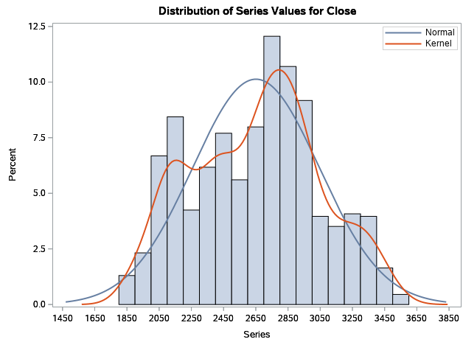
 | 2016-01-03 | 2062.540039 | 2043.619995 | 2060.590088 | 2043.939941 | 2,655,330,000 | 2043.939941
 | 2016-01-04 | 2038.199951 | 1989.680054 | 2038.199951 | 2012.660034 | 4,304,880,000 | 2012.660034
 | 2016-01-05 | 2021.939941 | 2004.170044 | 2013.780029 | 2016.709961 | 3,706,620,000 | 2016.709961

